Asset Library
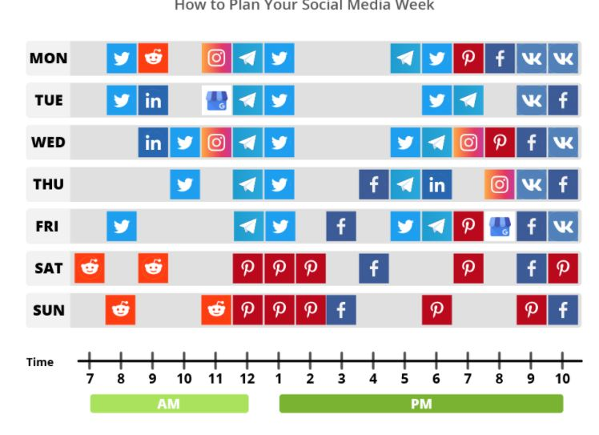
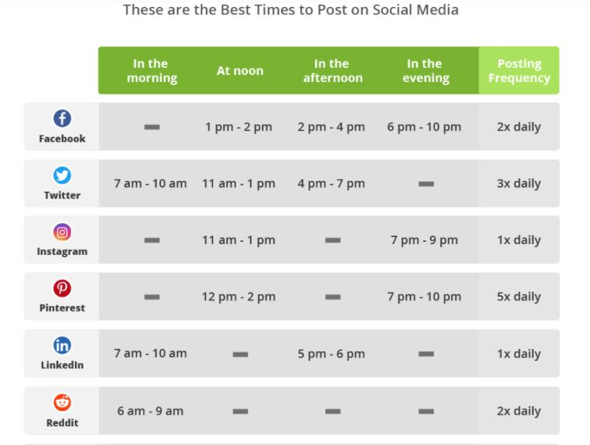
9 hashtags per post
Organization | niche | popular/ competitive | hyperlocal
 |  |  | #communityfoundationfrederickcounty
 |  |  | #aushermanfamilyfoundation
 |  |  | #helenjserinifoundation
 |  |  | #fredericknonprofitsummit
 |  |  | #delaplainefoundation

Hashtag List
Monday | Tuesday | Wednesday | Thursday | Friday

Org Event | Giving Tuesday | Unity Campaign | Project | Project

Project | Project | Project | Project | Project

